State function
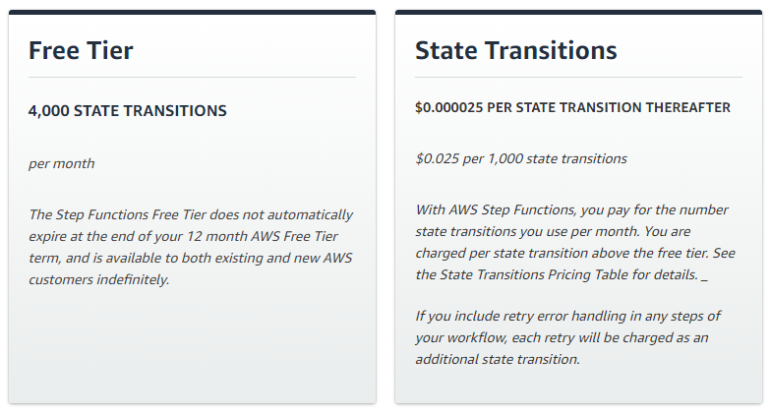
Invocation amout for each site | 4

Lamda function
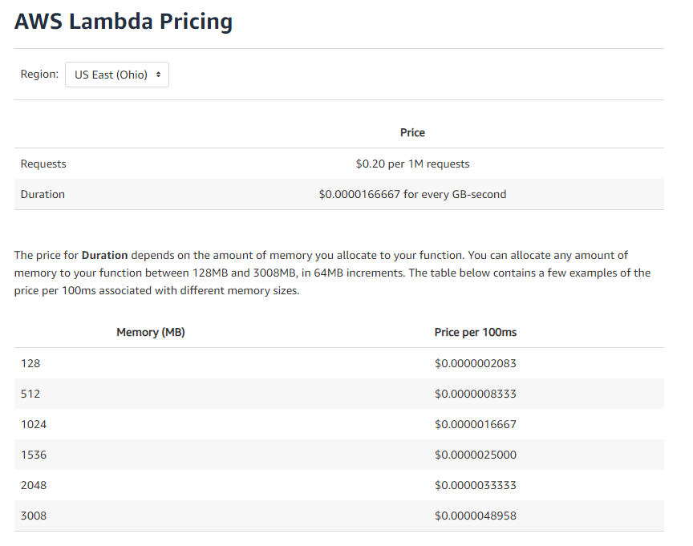

price per 100ms | avarage duration (100ms) | lamda func amount
0.000000208 | 3 | 4

Periodicity | Invocation time | Request amount | Price in $ (US) | Tax (13%) | Total
5m in month | 1562400 | 6249600 | 3.8997504 | 1.16992512 | 5.06967552
1h in month | 744 | 2976 | 0.001857024 | 0.024141312 | 0.025998336
1d in month | 31 | 124 | 0.000077376 | 0.001005888 | 0.001083264
1w in month | 4 | 16 | 0.000009984 | 0.000129792 | 0.000139776
1m in month | 1 | 4 | 0.000002496 | 0.000032448 | 0.000034944

1.639872

Explanation: | .000000208 dollars/100ms * 10 * 2,592,000 seconds/month = $5.39/mo
Calculator link | https://aws.amazon.com/lambda/pricing/

